Decile
Decile | # Customers | Total Transactions | Revenue | Profit | % Customers | % Transactions | % Revenue | % Profit | Avg spend/cust | Avg profit/cust | AOF | AOV | Avg margin
1 | 3,180 | 17,503 | 128,952,505 | 62,160,175 | 10.00% | 28.57% | 39.60% | 39.84% | 40,551.10 | 19,547.22 | 5.5 | $7,367 | 48%
2 | 3,180 | 8,703 | 55,542,905 | 27,079,030 | 10.00% | 14.21% | 17.06% | 17.36% | 17,466.32 | 8,515.42 | 2.7 | $6,382 | 49%
3 | 3,177 | 6,345 | 38,274,225 | 18,722,055 | 9.99% | 10.36% | 11.75% | 12.00% | 12,047.29 | 5,893.00 | 2.0 | $6,032 | 49%
4 | 3,178 | 5,349 | 29,017,010 | 13,916,595 | 9.99% | 8.73% | 8.91% | 8.92% | 9,130.59 | 4,379.04 | 1.7 | $5,425 | 48%
5 | 3,183 | 4,683 | 22,555,225 | 10,734,405 | 10.01% | 7.64% | 6.93% | 6.88% | 7,086.15 | 3,372.42 | 1.5 | $4,816 | 48%
6 | 3,124 | 4,330 | 17,169,955 | 7,948,270 | 9.82% | 7.07% | 5.27% | 5.09% | 5,496.14 | 2,544.26 | 1.4 | $3,965 | 46%
7 | 3,233 | 4,004 | 13,470,710 | 6,240,025 | 10.17% | 6.54% | 4.14% | 4.00% | 4,166.63 | 1,930.10 | 1.2 | $3,364 | 46%
8 | 2,996 | 3,414 | 9,381,075 | 4,326,685 | 9.42% | 5.57% | 2.88% | 2.77% | 3,131.20 | 1,444.15 | 1.1 | $2,748 | 46%
9 | 3,360 | 3,659 | 7,496,500 | 3,334,100 | 10.57% | 5.97% | 2.30% | 2.14% | 2,231.10 | 992.29 | 1.1 | $2,049 | 44%
10 | 3,186 | 3,270 | 3,740,550 | 1,554,795 | 10.02% | 5.34% | 1.15% | 1.00% | 1,174.06 | 488.01 | 1.0 | $1,144 | 42%
 | 31,797 | 61,260 | 325,600,660 | 156,016,135 | 100.00% | 100.00% | 100.00% | 100.00% | 10,239.98 | 4,906.63 | 1.9 | $5,315 | 48%
Avg spend/cust
Revenue

AOF
Profit

Yearly Sum
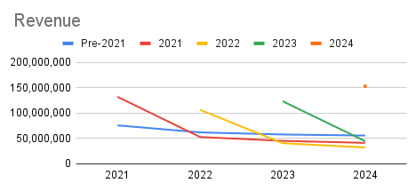
Revenue
 | 2021 | 2022 | 2023 | 2024
Pre-2021 | 75,539,904 | 61,713,306 | 57,535,363 | 55,477,923
2021 | 131,869,556 | 52,597,105 | 45,025,838 | 41,006,845
2022 |  | 106,151,953 | 40,414,088 | 31,974,173
2023 |  |  | 123,174,634 | 44,414,436
2024 |  |  |  | 152,727,328

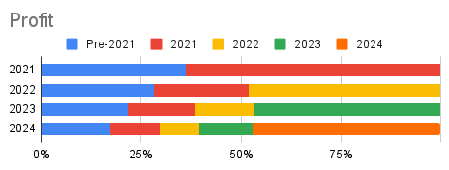
Profit
 | 2021 | 2022 | 2023 | 2024
Pre-2021 | 37,487,742 | 30,335,338 | 27,485,475 | 26,831,497
2021 | 66,061,534 | 25,603,149 | 21,266,119 | 19,554,051
2022 |  | 51,967,834 | 19,015,788 | 15,258,799
2023 |  |  | 59,071,749 | 20,970,296
2024 |  |  |  | 73,401,526

# Customers
# Customers
 | 2021 | 2022 | 2023 | 2024
Pre-2021 | 5,751 | 4,636 | 4,233 | 3,921
2021 | 14,915 | 4,107 | 3,491 | 3,075
2022 |  | 12,720 | 3,389 | 2,686
2023 |  |  | 15,166 | 3,799
2024 |  |  |  | 18,316

Total Transactions
 | 2021 | 2022 | 2023 | 2024
Pre-2021 | 13,739 | 11,475 | 11,331 | 10,581
2021 | 22,911 | 10,035 | 9,346 | 8,197
2022 |  | 18,640 | 7,992 | 6,336
2023 |  |  | 22,735 | 9,002
2024 |  |  |  | 27,144

